Sheet2
 |  |  |  |  | Jobaaj Learnings

 |  |  |  | Table Of Content

 |  |  |  | 1. Project Management and Service Level Agreement Formulas
Start Date | Days to Respond | End Date | Holidays
2021-06-01 | 30 | 2021-06-25 | 2021-06-17
 |  |  | 2021-06-23

 |  |  |  |  |  |  | Thankyou for choosing us, We wish you Good luck with all your future endeavours

 |  |  |  |  |  |  | Also, we want to continue this relationship. You can get a 20% instant discount

Working Days |  | Deadline
17 |  | 2021-07-15 |  |  |  |  | on all our other courses after applying this coupon code "Excel20"

 |  |  |  |  |  |  | Regards Team Jobaaj

NETWORKDAYS.INTL | WORKING DAYS | Includes Start Date
WORKDAY.INTL | DEADLINE | Excludes Start Date |  |  | You can connect with us on |  |  |  | You can connect with the trainer on

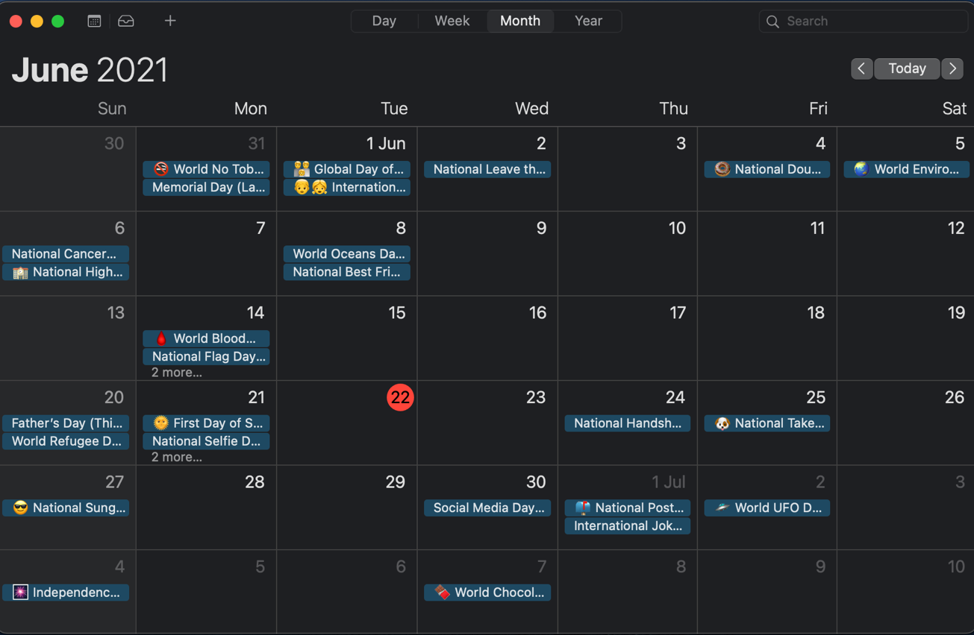

 |  |  |  |  |  | LinkedIn |  | Instagram |  | LinkedIn | Instagram | Medium

